cotton
Cotton Candy Fundraiser With Law Farms LLC
DUE DATE:________________
Name:____________________ | $5 Per 12x12" Bag

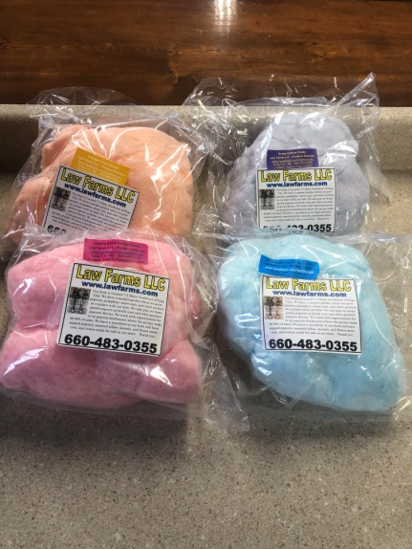 Customer Name | Cherry Berry | Blue Raspberry | Banana | Watermelon | Green Apple | Grape | Orange | Cinnaom | Gross | 50/50 Split
 |  |  |  |  |  |  |  |  | $- | $-
 |  |  |  |  |  |  |  |  | $- | $-
 |  |  |  |  |  |  |  |  | $- | $-
 |  |  |  |  |  |  |  |  | $- | $-
 |  |  |  |  |  |  |  |  | $- | $-
 |  |  |  |  |  |  |  |  | $- | $-
 |  |  |  |  |  |  |  |  | $- | $-
 |  |  |  |  |  |  |  |  | $- | $-
 |  |  |  |  |  |  |  |  | $- | $-
 |  |  |  |  |  |  |  |  | $- | $-
 |  |  |  |  |  |  |  |  | $- | $-
 |  |  |  |  |  |  |  |  | $- | $-
 |  |  |  |  |  |  |  |  | $- | $-
 |  |  |  |  |  |  |  |  | $- | $-
 |  |  |  |  |  |  |  |  | $- | $-
 |  |  |  |  |  |  |  |  | $- | $-
 |  |  |  |  |  |  |  |  | $- | $-
 |  |  |  |  |  |  |  |  | $- | $-
 |  |  |  |  |  |  |  |  | $- | $-
 |  |  |  |  |  |  |  |  | $- | $-
 |  |  |  |  |  |  |  |  | $- | $-
 |  |  |  |  |  |  |  |  | $- | $-
 |  |  |  |  |  |  |  |  | $- | $-
 |  |  |  |  |  |  |  |  | $- | $-
Totals | 0 | 0 | 0 | 0 | 0 | 0 | 0 | 0 | $- | $-
 |  |  |  | If no sales tax exempt form 5.73% |  |  |  |  |  | $-
 |  |  |  |  |  |  |  |  |  | $-

popcorn
Gourmet Popcorn Fundraiser With Law Farms LLC
DUE DATE:________________ |  |  | Grown and Popped Fresh Northwest of King City Mo
Name:____________________ | $12 Per 12x20" Bag |  |  |  |  |  |  |  |  |  |  |  |  |  | $25 Per12x20" Bag

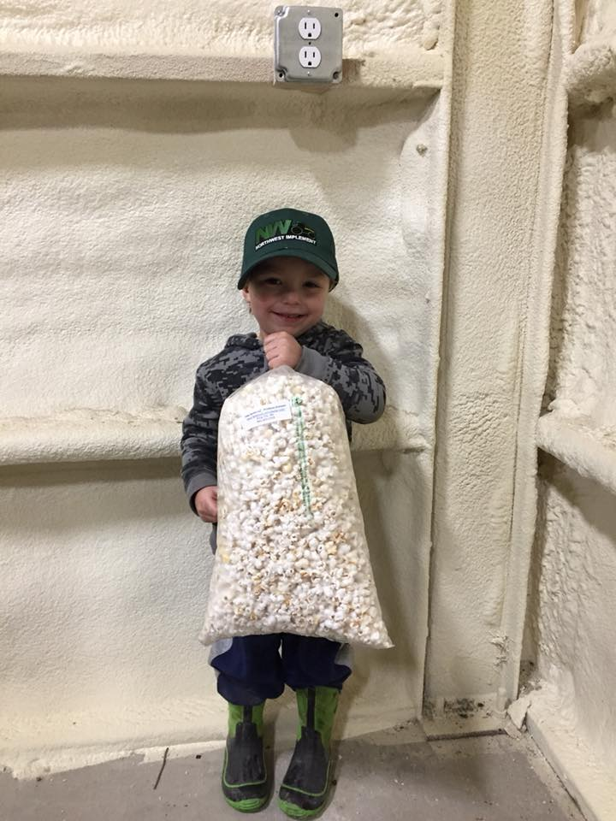 Customer Name | BUTTER | KETTLE | CHEDDAR | WHITE CHEDDAR | JALEPENO CHEESY | Peanut Butter & Jelly | CHEESY SOUR CREAM & ONION | CHEESE PIZZA | FROSTED CINNAMON ROLL | DILL PICKLE | PUMPKIN SPICE | CHEESY BUFFALO WING | HONEY SRIRACHA | STEAK | Caramel Glaze | MILK CHOCOLATE | WHITE CHOCOLATE | COOKIES & CREAM | CHOCOLATE BROWNIE | DARK CHOCOLATE | CHOCOLATE PEANUTBUTTER | CHOCOLATE PEPPERMINT | BIRTHDAY CAKE | STRAWBERRY CAKE | Total

Totals

