info sheet
Law Farms LLC Info Sheet
Home Grown Popcorn Kernels $8
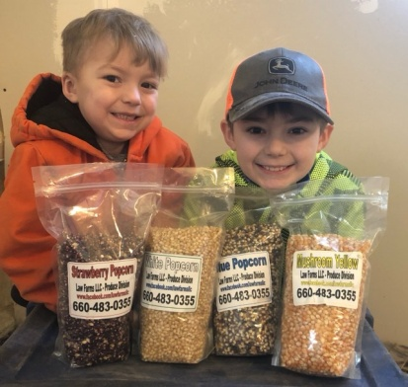
 | Yellow – Is the classic butterfly popcorn you see at the movies. Did you know that movie theaters like to use yellow because the yellow kernels give the popped popcorn a yellow cast like the false appearance that more butter has been applied.

 | White – Is a smaller butterfly popcorn. It’s classic white popcorn like your grandpa use to pop. White popcorn has less hull then yellow, pops bright white, and is tough to beat.

 | Blue – Is a larger butterfly popping kernel. The kernels are bigger then standard yellow popcorn but it pops bright white similar to white popcorn and has less hull. We have several who like this popcorn who like a big kernel but very little hull.

Strawberry Red – Is an extremely small kenneled butterfly popcorn that is very very popular for us. It has the least amount of hull of any of our popcorn’s. When it pops it feels more tender.

Mushroom Yellow – Pops in a big ball shape vrs traditional butterfly. Largest Kernel that we grow and great for caramel, cinnamon and other gourmet popcorns as it does not flake off like butterfly does.

All kernels are sold in 3 pound reseable Bags for $8 each with 50% going to the group.
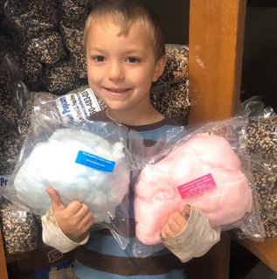
Cotton Candy $5
Cotton candy is made from pure cane sugar with flossine flavoring. Heat sealed in a 12x12" plastic bag for $5 with 50% to the group.

Popped Popcorn
For customers with food allergies please call or text Brad 660-483-0355 as we will share labels from our suppliers to let you
determine what flavors would be the best fit for you.

Glutten Allergy --- in the past, kettle corn has been the safest route for people with gluten allergies.

The popcorn is popped in a soybased oil from Sam's club. The sugar used in kettle corn is a pure cane sugar.

Caramel, Cinnamon, & chocolate covered bags are $27 with 40% going to the group.

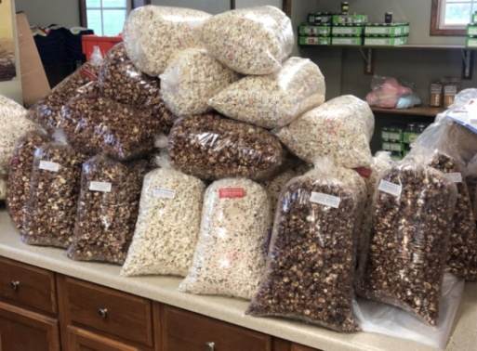
Kettle and other sprinkle on flavors are $14 with 50% going to the group.

Big Bags are 12x20" in size.

Cookies N Cream - White choc with oreos
Choc Pnutbutter - Milk choc and creamy pnut butter
Birthady Cake -White choc and funfetti cake mix n Spinkles
Marshmellow Maddness - White Choc and Marshmellows
Strawberry Cake - White choc with strawberry cake mix
Choc Brownie - Milk choc and brownie mix
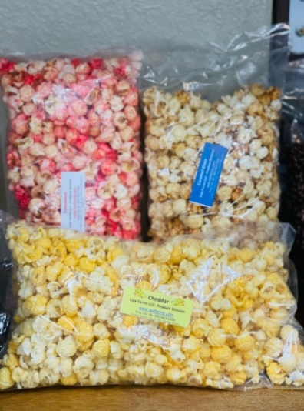
Combo Bags $27

The combo Bags are 3 of our 8x15" bags each a different flavor grouped into one bigger 16x24" bag. This allows the customer to get 3 different flavors in smaller bags.

PLEASE MAKE ALL CHECKS PAYABLE TO YOUR GROUP.

Any questions about food allergies please contact us. 660-483-0355

